Challenge
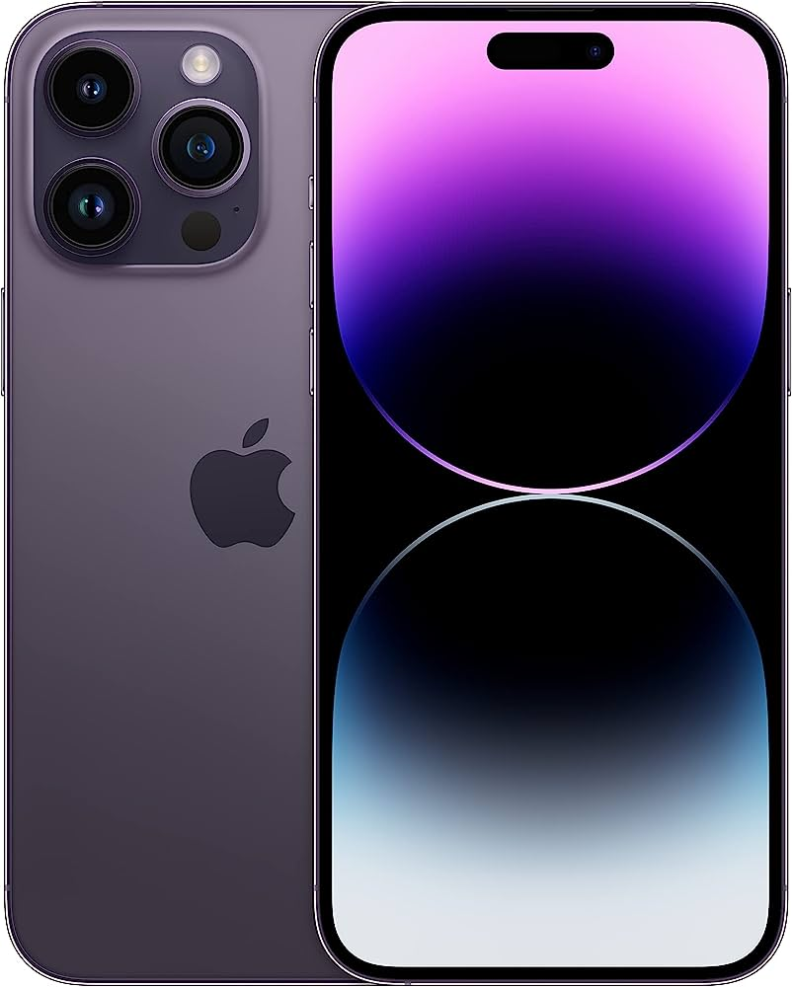

Background:
Suppose you are the owner of XYZ Electronics, an electronic retail company which has stores in Dhaka, Chittagong and Sylhet. You have your sales teams operating in these 3 locations. At the end of 2022, you decided to recognize the top performers and give iPhone 14 Pro Max to the top 3 employees who made the most sales in each division.
Challenge:
Find out which 3 employees are eligible to get the iPhone.

